q4
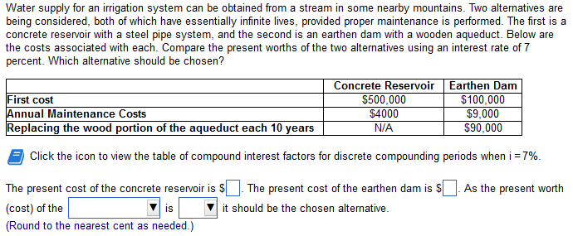

Concrete: |  |  | Earthen:
FC: | 600,000.00 |  | FC: | 200000
annual m: | 1000 |  | annual m: | 10000
i: | 0.09 | 9 | replace: | 90000 | a/f: | 0.03405888265
 |  |  | N: | 15
PW: | 611,111.11
 |  |  | PW: | 345,169.99

q5
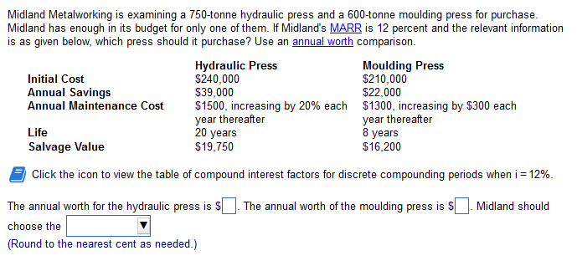
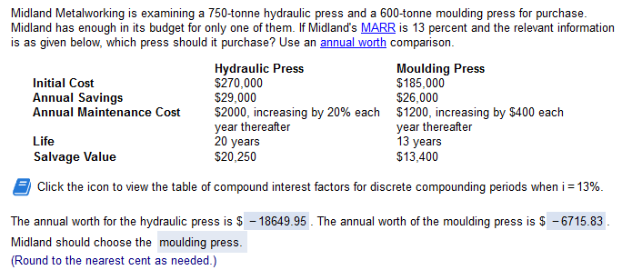

marr: | 0.13 | 13

Hydraulic:

Annual S: | 29000
g: | 0.2 | 20
N: | 20

FC: | 270000 | SV: | 20250
a/p: | 0.14235 | a/f: | 0.012353788442
A: | 38435.522879 | A: | 250.16421595

i*: | -0.058333333333
maint: | 2000
P/A (g): | 33.2432
num: | -0.69943 | 1/(1+g): | 0.83333 | A/P (i); | 0.14235378844
den: | -0.017533

AW: | -18649.953246

Moulding Press:

Annual S: | 26000 |  | i: | 0.13
N: | 13 |  | g: | 400
 |  |  | A': | 1200

FC: | 185000 | SV: | 13400 | A/G: | 4.3573
a/p: | 0.16335 | a/f: | 0.03335 | G(a/g): | 1742.9094319
A: | 30219.8131 | A: | 446.89457107 | A'+g(a/g) | 2942.9094319

AW: | -6715.8279689 |  | `

q7
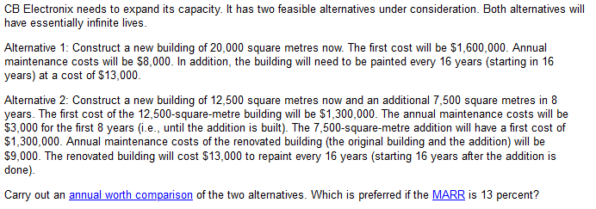

i: | 0.12 | 12
Method 1: |  |  | Method 2:
FC: | 1900000 |  | FC1: | 1300000 | FC2: | 800000
main: | 10000 |  | main: | 3000 | main2: | 9000
paint $: | 16000 |  | n: | 11 | paint: | 16000
repaint N: | 15 |  |  |  | N: | 15

A 1:

N: | 15
FC: | 1900000 |  | Main: | 10000 |  | Painting: | 16000
i: | 0.12 |  |  |  |  | a/f: | 0.026824239646
A(FC): | 228000 |  |  |  |  | A(paint): | 429.18783434

AW: | 238429.18783

A2:

FC:

 |  | FC: | 1300000 |  | FC: | 800000
 |  | i: | 0.12 |  | p/f: | 0.2874761041
 |  | FC1: | 156000 |  | i: | 0.12
 |  |  |  |  | n: | 11
 |  |  |  |  | FC2: | 27597.705993
AW (FC): | 183597.70599

 | M1: | 3000 |  | M2: | 9000
 | p/a: | 5.9376991325 |  | i: | 0.12
 | i: | 0.12 |  | p/f: | 0.2874761041
 |  |  |  | n: | 11

 | AW M1: | 2137.5716877 |  | AW m2: | 2587.2849369

 | AW main: | 4724.86

 | P: | 16000
 | i: | 0.12 |  | p/f: | 0.2874761041
 | a/f: | 0.026824239646 |  | n: | 11
 | N: | 15

 | AW paint: | 123.38124654

AW t: | 188445.94

 | AW Alt1: | 238,429 | AW Alt2: | 188,446

 | is 2 > 1? | FALSE

q8
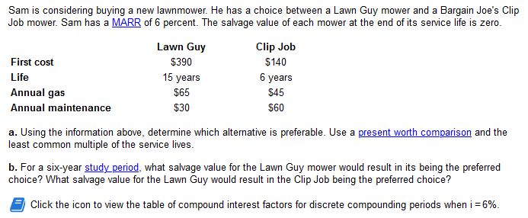
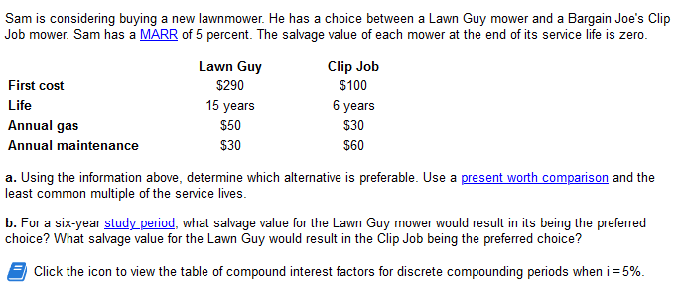

i: | 0.05 | 5 |  | LCM life: | 30

Lawn guy
FC 1: | 290 | FC 2: | 290 | gas: | 50
 |  | N: | 15 | maint: | 30
 |  | p/f: | 0.48102 | p/a: | 15.372
PW FC 1: | 290 | PW FC 2: | 139.49495845 | P (G+M): | 1229.7960822

PW: | 1659.29

Clip Job
N: | 0 | 6 | 12 | 18 | 24
p/f: | 1 | 0.74621539664 | 0.55683741818 | 0.41552065487 | 0.31006791028
FC: | 100 | 74.621539664 | 55.683741818 | 41.552065487 | 31.006791028

gas: | 30
maint: | 60 |  | PW: | 1686.38
p/a: | 15.372451027
P (G+M): | 1383.521

 |  | 290 |  | 80 | 5.0756920673 | 0.74621539664

 |  | 696.05536538 |  | 0.74621539664

 |  | 100 |  | 90 | 5.0756920673

 |  | 556.81228605

 |  | 696.05536538 |  | 556.81228605
 |  |  | 0.74621539664

 |  | 186.60

